Screen View
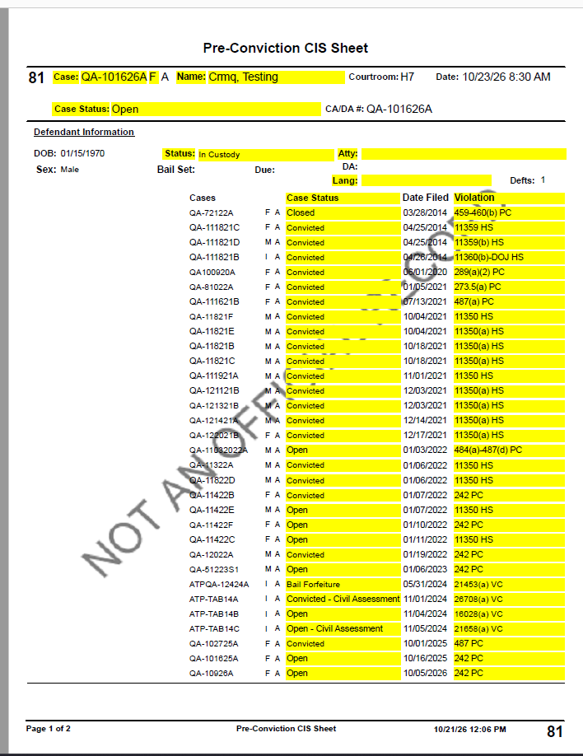
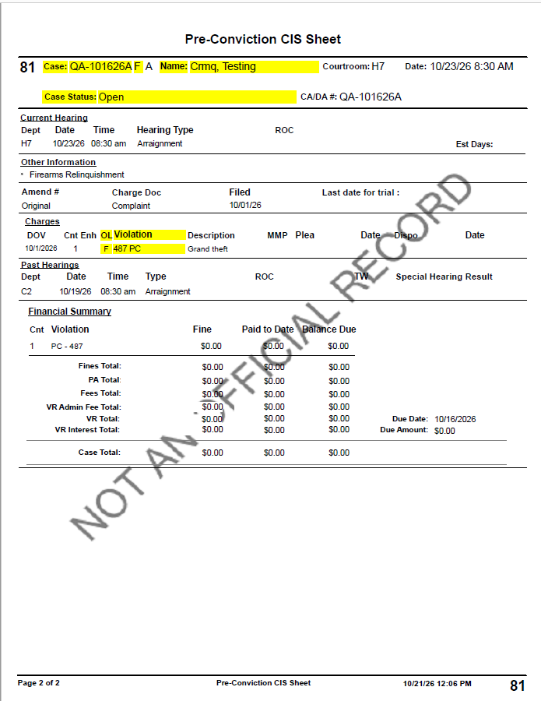

Defect #1 | NG Calendar Batch Print popup does not reflect soring
 |  | Old window popup reflects the sorting

QA Cycle 2 - Defect #1
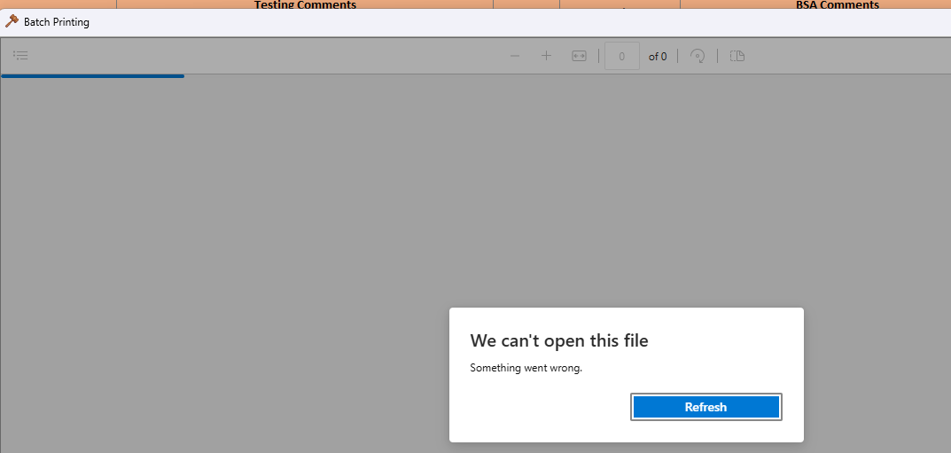

Official Sorting on data grid and print to PDF in NG - Retesting - Pass

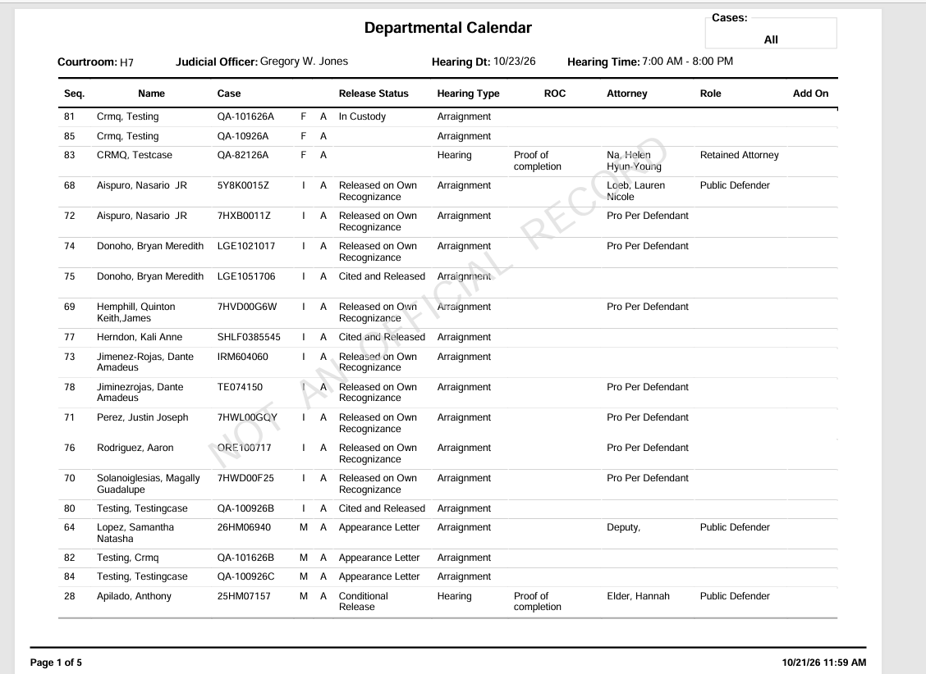

Official Sorting on data grid and batch printing on large calendar
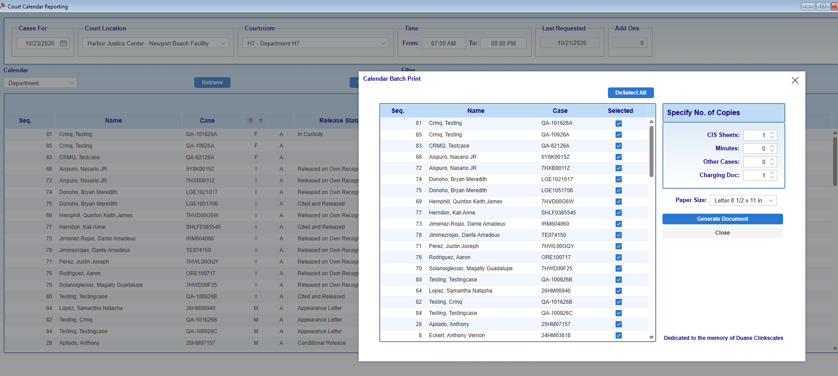
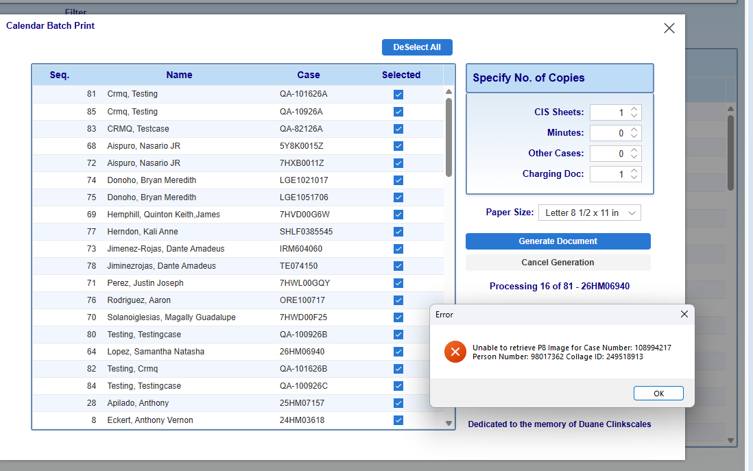
Process in QA throws an error when no chaging document image exists in the Minutes and continues with other cases as expected

